Title Page
Large Employer Audit Tool | 
2024

AUDITOR NAME:

COMPANY NAME:

DATE:

Interview Selection
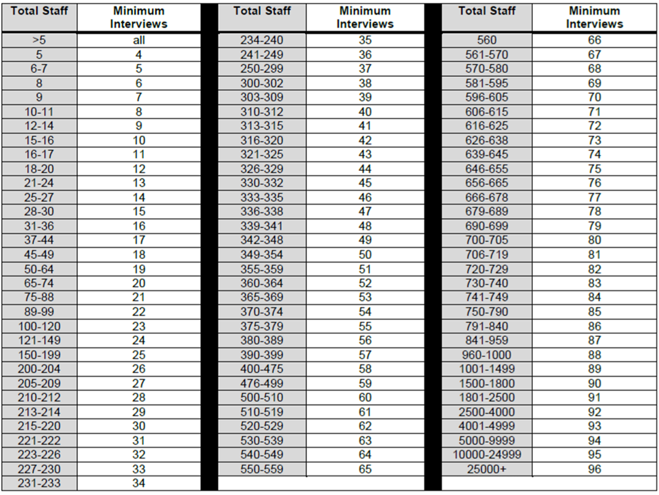
INTERVIEW SELECTION |  |  |  |  |  |  |  |  | Use this table to select the minimum numbers of interviews. In total staff column, include personnel on shift that week, including part-time, seasonal, students, administration, drivers, salesman…
 | Note: Please Complete the Interview Selection Sheet - Do not include names of individual employees.
Level (Manager, Supervisor, Worker) | Department / Work Area | Permanent, Part-time, Seasonal, Temporary | Worksite # (Location from Audit Scope) | Experience (Years) | New or Young Worker? | Emergency Response Role? | Completes Inspections | Safety Committee Member | Select the appropriate number of managers/supervisors to interview and enter the numbers into the chart. At least 20% of interviews must be managers/supervisors and 80% of interviews performed on workers. Calculate the number of safety committee members/safety representative(s) to be interviewed. These must make up 10% of all interviews (management and workers are both represented on the Joint Committee).
 |  |  |  |  | YES/NO | YES/NO | YES/NO | YES/NO

